Sheet1
2001-10-17

Cinergy |  |  |  | Entergy
 | bid | offer |  |  | bid | offer

 |  |  |  | 2001-10-18 | $20.75 | $22.00
2001-10-18 | $23.00 | $24.00 |  | 2001-10-19 | $19.00 | $20.50
2001-10-19 | $21.20 | $21.85 |  | Oct 22-Oct 31, 2001 | $19.50 | $20.50
Oct 22-Oct 31, 2001 | $21.50 | $22.50 |  | November, 2001 | $20.50 | $21.20
November, 2001 | $22.50 | $23.25 |  | December, 2001 | $21.40 | $22.15
December, 2001 | $25.25 | $25.95 |  | Jan/Feb 2002 | $24.10 | $24.85
Jan/Feb 2002 | $28.10 | $28.75 |  | March/April , 2002 | $23.20 | $24.00
Cal 2001 | $31.75 | $32.50 |  | May, 2002 | $25.00 | $25.80
March/April , 2002 | $26.00 | $26.75 |  | June, 2002 | $34.25 | $35.15
May, 2002 | $28.00 | $29.00 |  | July/August, 2002 | $43.75 | $45.25
June, 2002 | $37.50 | $38.50 |  | Sept, 2002 | $23.00 | $24.00
July/August, 2002 | $49.50 | $50.50 |  | Q4, 2002 | $24.00 | $25.00
Sept, 2002 | $25.75 | $26.55 |  | Jan/Feb, 2003 | $25.90 | $26.80
Q4, 2002 | $26.70 | $27.50 |  | March/April, 2003 | $25.40 | $26.40
Cal 2003 | $32.15 | $32.85 |  | July/August, 2003 | $41.00 | $42.00
Cal 2004 | $32.40 | $34.10 |  | Q4, 2003 | $26.00 | $27.30
Cal 2005 | $32.15 | $34.30 |  | Cal, 2004 | $30.40 | $32.30
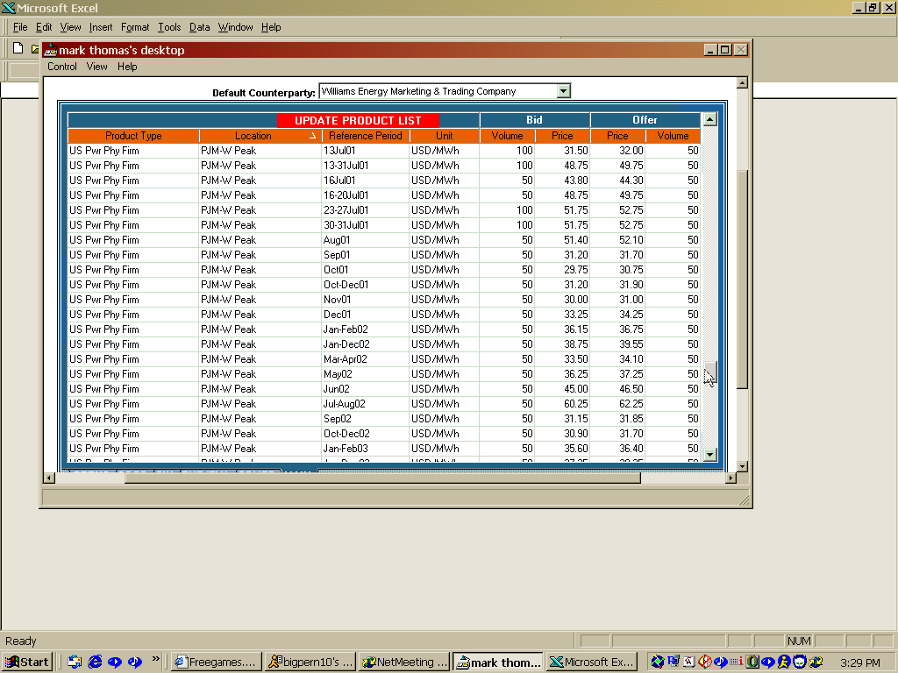

Comed |  |  |  | TVA
 | bid | offer |  |  | bid | offer

 |  |  |  | 2001-10-18 | $22.25 | $23.50
 |  |  |  | 2001-10-19 | $21.50 | $22.75
2001-10-18 | $21.00 | $21.75 | $117.00 | Oct 22-Oct 31, 2001 | $21.00 | $22.00
2001-10-19 | $20.00 | $21.00
Oct 22-Oct 31, 2001 | $21.00 | $21.85 |  | November, 2001 | $21.50 | $22.60
November, 2001 | $21.60 | $22.40 |  | December, 2001 | $24.15 | $25.00
December, 2001 | $23.50 | $24.20 |  | Jan/Feb 2002 | $27.15 | $28.00
Jan/Feb 2002 | $26.50 | $27.30 |  | Cal 2002 | $30.75 | $32.00
Jul/Aug 2002 | $48.00 | $49.00 |  | March/April , 2002 | $25.25 | $26.20
 |  |  |  | May, 2002 | $27.25 | $28.75
 |  |  |  | June, 2002 | $36.25 | $37.50
 |  |  |  | July/August, 2002 | $47.75 | $49.00
 |  |  | $26.50 | Sept, 2002 | $24.70 | $25.50
 |  |  |  | Q4, 2002 | $25.20 | $26.50
 |  |  |  | Cal 2003

PJM |  |  |  | SOCO
 | bid | offer |  |  | bid | offer

 |  |  | $52.75 | 2001-10-18 | $26.50 | $27.25
November, 2001 | $26.25 | $27.25 |  | Oct 22-Oct 31, 2001 | $26.60 | $27.40
December, 2001 | $28.80 | $29.40 |  | November, 2001 | $26.40 | $27.15
 |  |  |  | December, 2001 | $28.00 | $28.75
Jan/Feb 2002 | $32.75 | $34.00 |  | Jan/Feb 2002 | $30.70 | $31.40
Cal 2002 |  |  |  | Cal 2002
March/April , 2002 | $30.75 | $31.55 |  | March/April , 2002 | $28.30 | $29.00
May, 2002 | $34.00 | $35.00 |  | May, 2002 | $31.00 | $31.80
June, 2002 | $44.00 | $45.00 | $91.00 | June, 2002 | $41.40 | $42.00
July/August, 2002 | $55.75 | $57.00 |  | July/August, 2002 | $51.85 | $52.80
Sept, 2002 | $30.15 | $31.00 |  | Sept, 2002 | $27.10 | $27.90
Q4, 2002 | $30.25 | $31.00 |  | Q4, 2002 | $27.15 | $27.80
Cal 2003 | $37.00 | $38.25 |  | Jan/Feb 2003 | $31.00 | $32.00
Cal 2004 | $37.50 | $39.25 |  | March/April, 2003 | $29.00 | $30.00
 |  |  |  | May, 2003 | $31.00 | $32.00
 |  |  |  | June, 2003 | $40.60 | $41.60

